Sheet1
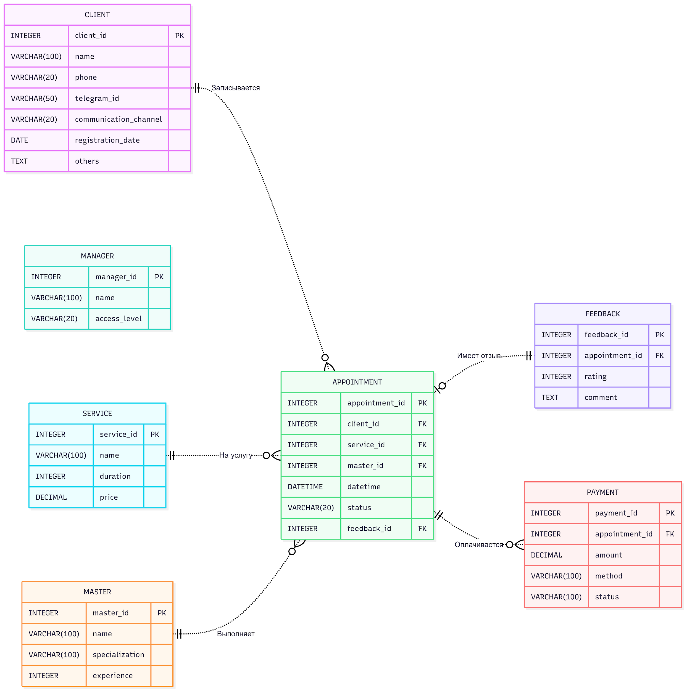
Код Mermaid | Cайт для компиляции: | https://www.mermaidchart.com/app/projects/2c6c869b-41c4-4ff6-b4d7-8d8b5dbd3d76/diagrams/436309c9-801b-424b-bc60-3287e8a466cb/version/v0.1/edit
erDiagram direction LR CLIENT { INTEGER client_id PK VARCHAR(100) name VARCHAR(20) phone VARCHAR(50) telegram_id VARCHAR(20) communication_channel DATE registration_date TEXT others } MANAGER { INTEGER manager_id PK VARCHAR(100) name VARCHAR(20) access_level } MASTER { INTEGER master_id PK VARCHAR(100) name VARCHAR(100) specialization INTEGER experience } SERVICE { INTEGER service_id PK VARCHAR(100) name INTEGER duration DECIMAL price } APPOINTMENT { INTEGER appointment_id PK INTEGER client_id FK INTEGER service_id FK INTEGER master_id FK DATETIME datetime VARCHAR(20) status INTEGER feedback_id FK } FEEDBACK { INTEGER feedback_id PK INTEGER appointment_id FK INTEGER rating TEXT comment } PAYMENT { INTEGER payment_id PK INTEGER appointment_id FK DECIMAL amount VARCHAR(100) method VARCHAR(100) status } %% Relationships (non-identifying: dashed with ..) CLIENT ||..o{ APPOINTMENT : "Записывается" SERVICE ||..o{ APPOINTMENT : "На услугу" MASTER ||..o{ APPOINTMENT : "Выполняет" APPOINTMENT |o..|| FEEDBACK : "Имеет отзыв" APPOINTMENT ||..o{ PAYMENT : "Оплачивается"

